2월 소모품
2026.06 DETAIL LIST MATERIALS ORDER IN KOREA
NO | MODEL USE | BOM &PICTURE LOCATION | PICTURE | SUPPLIER NAME (품명) | ORDER DATE 요청일 | Q'TY ORDER T.02.2026 요청 수량 | UNIT | 업체명

1 | SM-A576B CTC (AUTO) |  |  | CABLE 10 PIN-AWM 20624 80C 60V VW-1 | 05.06.2026 | 30 | EA | KNK
2 | SM-A576B CTC (AUTO) |  |  | CABLE 50 PIN 80C VW-1 | 05.06.2026 | 30 | EA | KNK
3 | SM-A576B CTC (AUTO) | 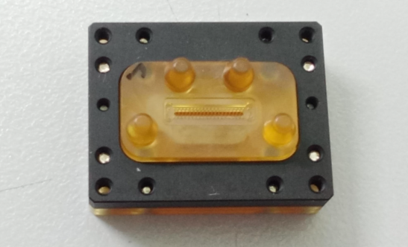 |  | FLOATING UB R01 | 05.06.2026 | 5 | EA | KNK
4 | SM-A576B CTC (AUTO) |  |  | FLOATING UB R02 | 05.06.2026 | 5 | EA | KNK
5 | SM-A576B CTC (AUTO) |  |  | FLOATING UB R03 | 05.06.2026 | 5 | EA | KNK
6 | SM-A576B CTC (AUTO) | 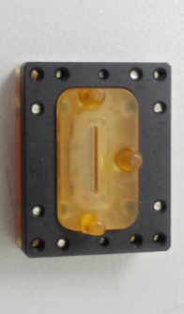 |  | FLOATING SUB R01 | 05.06.2026 | 5 | EA | KNK
7 | SM-A576B CTC (AUTO) |  |  | FLOATING SUB R02 | 05.06.2026 | 5 | EA | KNK
8 | SM-A576B CTC (AUTO) |  |  | FLOATING SUB R03 | 05.06.2026 | 5 | EA | KNK
9 | SM-A576B CTC (AUTO) | 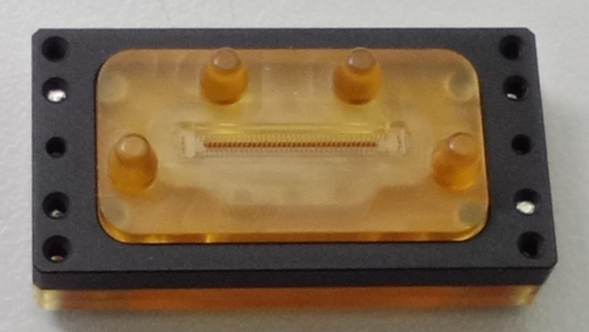 |  | FLOATING MAIN R01 | 05.06.2026 | 5 | EA | KNK
10 | SM-A576B CTC (AUTO) |  |  | FLOATING MAIN R02 | 05.06.2026 | 5 | EA | KNK
11 | SM-A576B CTC (AUTO) |  |  | FLOATING MAIN R03 | 05.06.2026 | 5 | EA | KNK
12 | SM-A576B CTC (AUTO) | 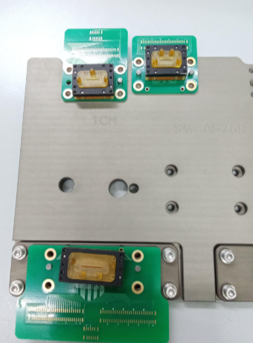 |  | JIG PCB KNK-P-4771 (TOP) | 05.06.2026 | 20 | EA | KNK
13 | SM-A576B CTC (AUTO) |  |  | JIG PCB KNK-P-4773 (TOP) | 05.06.2026 | 20 | EA | KNK
14 | SM-A576B CTC (AUTO) |  |  | JIG PCB KNK-P-4772 (TOP) | 05.06.2026 | 20 | EA | KNK
15 | SM-G996U SUB | 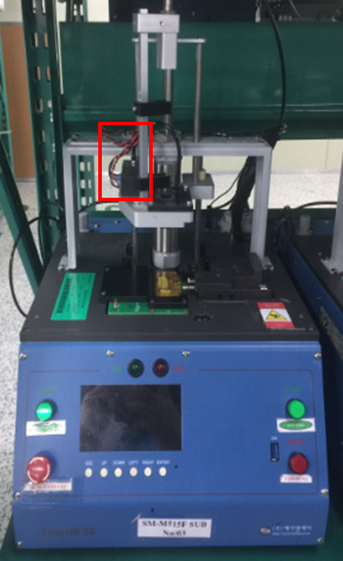 | 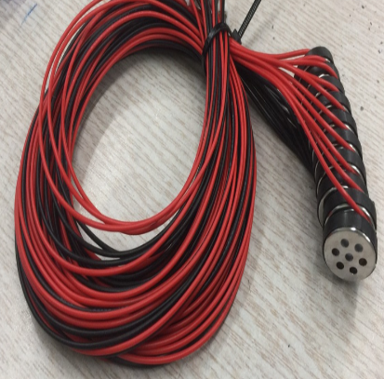 | MIC KNK | 05.02.2026 | 50 | EA | KNK
 | SM-A526B CTC
 | SM-R870 BRMT
 | SM-S908U SUB
 | SM-R915 ECG
 | SM-A346B SUB
 | SM-S911U SUB
 | SM-F721U SUB
 | SM-F741U SUB
 | SM-S921N SUB
 | SM-S926U SUB
 | SM-R530 LEFT
 | SM-S928U SUB
 | SM-X616B SIM
 | SM-A156U SUB
 | SM-A165F SUB
 | SM-S918U SUB
 | SM-L315 ECG
 | SM-R630 PARAN
 | SM-G556B SUB
 | SM-R965 ECG
16 | AUTO TESTER HANDLER MACHINE |  |  | MC22-M10HSVGL4BLR404 | 05.02.2026 | 2 | SET | KNK
17 | AUTO TESTER HANDLER MACHINE |  |  | Ball Bearing VÒNG BI | 05.02.2026 | 6 | EA | KNK
18 | AUTO TESTER HANDLER MACHINE |  |  | 축 HANDLER | 05.02.2026 | 4 | EA | KNK
19 | SM-A175F SUB |  |  | JIG PCB KNK-P-4537-1 (TOP) | 05.02.2026 | 20 | EA | KNK
20 | SM-S938RS FUNCTION |  |  | PIN BLOCK | 05.02.2026 | 1 | SET | KNK
21 | SM-S921U V MMW | 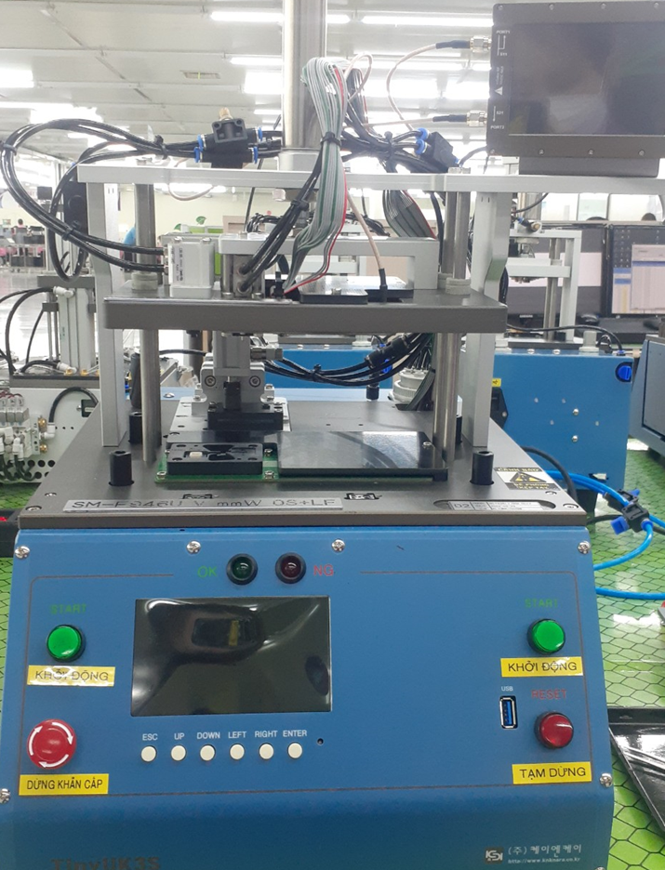 | 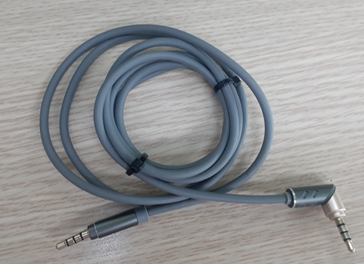 | EARJACK | 05.02.2026 | 5 | EA | KNK
 | SM-S926U V MMW
 | SM-X828U MMW MAIN
 | SM-X828U MMW SIDE

